FINAL-Buy Recommendation
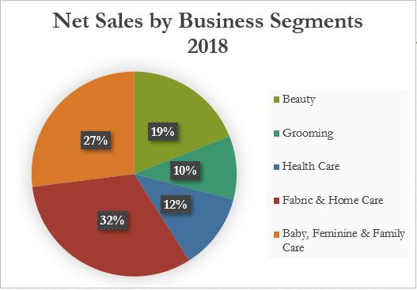 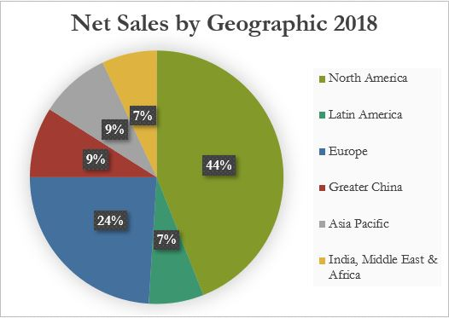
Tiffany G. Tiono |  | Retail - Consumer Staples |  |  |  | Fall 2019
Buy Recommendation: | Procter & Gamble (PG) |  |  | Sell Recommendation: |  | Colgate Palmolive Company (CL)
BUY RECOMMENDATION: Procter & Gamble (PG) |  |  |  |  |  |  |  |  |  |  | NOTE: Submit with Final Presentation on December 2, 2019 by 11:59 PM.
Company Overview | Procter & Gamble makes money from beauty care, grooming, health care, fabric & home care, and baby,feminine & family care. P&G brands are well-known as mid to high end brands such as Tide, Pampers, Oral-B, SK-II, Braun.
 |  |  |  |  |  |  |  |  |  |  | Note: The spreadsheet is set up so that numbers (except the share price and EPS) need to be entered as millions (i.e., revenues of $10,400,000.00 need to be entered as $10.4). You are welcome to enter the numbers as billions or not truncated at all, but please label clearly and be consistent.

Analysis Date: | 2019-12-01 | FYE: | FY 2016 | FY 2017 | FY 2018 | FY 2019E | FY 2020E | FY 2021E | FY 2022E
Price/Share | $122.13 | 2018-12-31
Dil. Shares Outstd. | 2,648.00 | Revenue | $65,299.00 | $65,058.00 | $66,832.00 | $67,684.00 | $70,528.61 | $72,940.33 | $75,686.6
Market Capitalization | 323,400 | YoY Growth |  | -0.4% | 2.7% | 1.3% | 4.2% | 3.4% | 3.8%

Cash | $9,304.00 | EBITDA | $17,534.00 | $12,225.46 | $17,092.00 | $15,989.16 | $18,509.15 | $19,507.00 | $20,595.57 |  | Triple-check this for accuracy!! Students in past semesters have made mistakes on this and it was a big detractor from the presentation!
Debt | $1,321.00 | Margin | 26.9% | 18.8% | 25.6% | 23.6% | 26.2% | 26.7% | 27.2%
Minorities / Preferred | $30,406.00 | YoY Growth |  | -30.3% | 39.8% | -6.5% | 15.8% | 5.4% | 5.6%
Enterprise Value | $345,823.24
 |  | Net Income | $10,451.85 | $6,845.00 | $10,813.28 | $11,099.38 | $12,901.53 | $13,558.40 | $14,286.89
Current / Forward P/E | 26.06 / 23.46 | Margin | 16.0% | 10.5% | 16.2% | 16.4% | 18.3% | 18.6% | 18.9%
Price/Book | 6.67 | EPS | $3.95 | $2.58 | $4.08 | $4.19 | $4.87 | $5.12 | $5.40
Dividend Yield | 2.43% | YoY Growth |  | -34.5% | 58.0% | 2.6% | 16.2% | 5.1% | 5.4%
ROE / ROA | 7.58/ 3.34
 |  | FCF | $12,121.0 | $9,369.0 | $11,150.0 | $11,895.0 | $12,150.8 | $13,221.3 | $14,413.7
Past 5-yr Earn. Growth (per annum) | 4.0% | YoY Growth |  | -22.7% | 19.0% | 6.7% | 2.2% | 8.8% | 9.0%
 |  |  |  |  |  |  |  |  |  |  | Note: Make your number expression consistant (in $ vs. thouands vs. millions)
Next 5-yr Earn. Growth estimate (per annum) | 8.4% | EV / EBITDA | 19.7x | 28.3x | 20.2x | 21.6x | 18.7x | 17.7x | 16.8x
 |  | P/E | 30.9x | 47.2x | 29.9x | 29.1x | 25.1x | 23.9x | 22.6x
 |  | FCF Yield | 3.7% | 2.9% | 3.4% | 3.7% | 3.8% | 4.1% | 4.5%
68% of total net sales most likely are coming from non-emerging market (North America & Europe regions). Overall, they generate the net sales profits from the baby, feminine family care and fabric & home care. The intristic value for P&G is $125.60 (using DCF Valuation) vs. the market value: $122.13. Additionally, the leverage ratio for P&G is 1.44.
Note:
- US$ in millions except for share data
- Unit share in millions
5-Yr Price/Share Target | $186.65
% Upside | 52.83%

Interest Coverage | 10.8 |  |  |  |  |  |  |  |  | z
Debt / Equity (%) | 64.72
Credit Rating (Agency) | AA-(S&P)

Investment Thesis | - The uncertainty of global economy won’t give a huge impact to the P&G sales.
 | - P&G shows that they will reach 8.4 % increased in their earning for 5 years.
 | - They have a great financial statement, mostly stable, and low debt
 | - They have a great projection for their price/share in next 5 years
 | - Based on the DCF valuation, the company is undervalued
GW PSIF Framework | Grade (1-10) | Weighting | Rationale
Business | 9.0 | 25% | - P&G have a wide segmentation in brands
 |  |  | - They sell a mid to high-end brands and mostly targeting their brands to non-emerging market
Management | 9.0 | 15% | - There are clarities about the CEO & NEO compesations
 |  |  | - Strong long-term incentive program, short-term achivement award (for CEO), & PSU for NEO
Balance Sheet | 9.0 | 25% | - They have a great financial statement, mostly stable, and low debt
 |  |  | - The risk is low, so it is fit to buy this company portfolio for the long-term
Price / Valuation | 9.0 | 35% | -They have a great projection for their price/share in next 5 years. The current market price is $122.13 and the projection price/share in the next 5 years is $186.65
 |  |  | - The intristic value for P&G is $125.60 vs. the market value: $122.13; undervalued
Overall Grade (weighted average) | 9.0 | 100% | - The overall grades show that P&G is a great company to invest because they have a good projection in the next 5 years. Also, their balance sheets show that they are financially stable with a low debt; less risk to invest

Industry Overview | The dynamic that currently happens in consumer staples is the slowdown of the global economy gives disadvantage impacts to most of the companies that engaged in the costumer staples sector. Costumers from emerging market are tent to buy cheaper goods in decent quality rather than buy more expensive goods in higher quality. Moreover, companies that target their brands with decent quality in emerging market are more sensitive in this condition (decreasing in profits) rather than companies that targeting their brands in non-emerging market.
 | The tailwind of P&G company that the company has push the organic sales 7% higher. Moreover, the company has pushed the sales efforts into more focused group of the brands.
 | - The company is undervalued in its portfolio and the projection of the price/share in the next 5 years are expected to grow higher than its current market value
 | - Low level in debt; good financial outlook
Key Risks | - The global economy is slowing down (indirect impact)
 | - The changing of regulations and taxes in the U.S. or outside U.S. would decrease P&G's profits
 | - The trade war between China and the U.S. could turn tailwind into a headwind
 | - The margin safety is 2.84%

Sources: SEC 10-K, Bloomberg, CSI Market

FINAL-Sell Recommendation
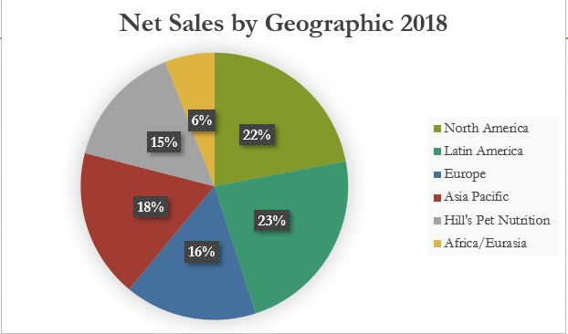 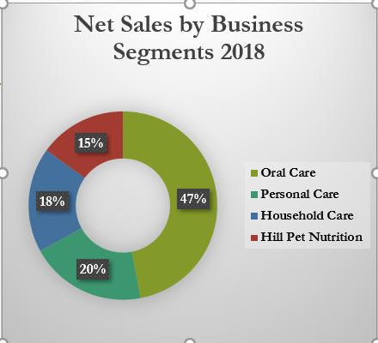
Tiffany G. Tiono |  | Retail - Consumer Staples |  |  |  | Fall 2019
Buy Recommendation: | Procter & Gamble (PG) |  |  | Sell Recommendation: |  | Colgate Palmolive Company (CL)
SELL RECOMMENDATION: Colgate Palmolive Company (CL)
Company Overview | Colgate Palmolive's business model is consumer-oriented. Colgate Palmolive company makes money from the oral care, pet nutrition (Hill's Pet Nutrition), household product, and personal care. Moreover, Colgate Palmolive targets their brands to the emerging market. Additionally, Colgate Palmolive brands are Colgate toothpaste, Ulta Cosmetic, Tom's Maine, Palmolive soaps, and Hill's Pet Nutrition.
 |  |  |  |  |  |  |  |  |  |  | Note: The spreadsheet is set up so that numbers (except the share price and EPS) need to be entered as millions (i.e., revenues of $10,400,000.00 need to be entered as $10.4). You are welcome to enter the numbers as billions or not truncated at all, but please label clearly and be consistent.

Analysis Date: | 2019-12-01 | FYE: | FY 2016 | FY 2017 | FY 2018 | FY 2019E | FY 2020E | FY 2021E | FY 2022E
Price/Share | $67.87 | 2018-12-31
Dil. Shares Outstd. | 862.40 | Revenue | $15,195.0 | $15,454.0 | $15,544.0 | $15,601.3 | $16,093.8 | $16,513.0 | $16,845.0
Market Capitalization | $58,531.09 | YoY Growth |  | 1.7% | 0.6% | 0.4% | 3.2% | 2.6% | 2.0%

Cash | $948.0 | EBITDA | $4,546.0 | $4,515.0 | $4,366.0 | $4,181.0 | $4,360.5 | $4,561.6 | $4,421.7 |  | Triple-check this for accuracy!! Students in past semesters have made mistakes on this and it was a big detractor from the presentation!
Debt | $8,804.0 | Margin | 29.9% | 29.2% | 28.1% | 26.8% | 27.1% | 27.6% | 26.2%
Minorities / Preferred | $498.0 | YoY Growth |  | -0.7% | -3.3% | -4.2% | 4.3% | 4.6% | -3.1%
Enterprise Value | 66,885
 |  | Net Income | $2,522.0 | $2,545.0 | $2,590.0 | $2,435.0 | $2,542.9 | $2,681.0 | $2,552.7
Current / Forward P/E | 23.89/23.96 | Margin | 16.6% | 16.5% | 16.7% | 15.6% | 15.8% | 16.2% | 15.2%
Price/Book | N/A | EPS | $2.92 | $2.95 | $3.00 | $2.82 | $2.95 | $3.11 | $2.96 |  | NOTE: Submit with Final Presentation on December 2, 2019 by 11:59 PM.
Dividend Yield | 2.55% | YoY Growth |  | 0.9% | 1.8% | -6.0% | 4.4% | 5.4% | -4.8%
ROE / ROA | N/A / 19.3
 |  | FCF | $2,548.0 | $2,501.0 | $2,620.0 | $2,588.1 | $2,727.3 | $2,825.8 | $2,635.0
Past 5-yr Earn. Growth (per annum) | 0.2% | YoY Growth |  | -1.84% | 4.76% | -1.22% | 5.38% | 3.61% | -6.75%

Next 5-yr Earn. Growth estimate (per annum) | 1.2% | EV / EBITDA | 14.7x | 14.8x | 15.3x | 16.0x | 15.3x | 14.7x | 15.1x
 |  | P/E | 23.2x | 23.0x | 22.6x | 24.0x | 23.0x | 21.8x | 22.9x
 |  | FCF Yield | 4.35% | 4.27% | 4.48% | 4.42% | 4.66% | 4.83% | 4.50%
52 % of total net sales are coming from emerging market. Overall, they generate the net sales profits from the oral care. The intristic value for Colgate Palmolive company is $45.32 (using DCF Valuation) vs. the market value: $67.87. Additionally, the leverage ratio for Colgate Palmolive company is 84.84.
Note:
- US$ in millions except for share data
- Unit share in millions
5-Yr Price/Share Target | $58.72
% Upside | -13.48% |  |  |  |  |  |  |  |  | Note: Make your number expression consistant (in $ vs. thouands vs. millions)

Interest Coverage | 18.9
Debt / Equity (%) | 3,231.50
Credit Rating (Agency) | Aa3 (Moody's)

Sell Thesis | - Faces the rising of the operation costs and stagnaning in revenue growth
 | - Losing market shares in its key products
 | - The company is overvalued in its portfolio and the projection of the price/share target in the next 5 years are expected lower than its current market value
 | - Concerns about the high level of total debt; financially unstable; more risk in investing in this company
 | - Have high level of leverage ratio
GW PSIF Framework | Grade (1-10) | Weighting | Rationale
Business | 5.0 | 25% | - Faces the rising of the operation costs and the raw material costs
 |  |  | - Losing market shares in its key products (toothpaste and toothbrush products)
Management | 7.0 | 15% | - There are base salary & performance based salary. Performance based salary mostly depend on the company's business performance & common stocks
 |  |  | - Lack of marketing strategy
Balance Sheet | 6.0 | 25% | - High level of debt; stagnaning in revenue growth
 |  |  | - The risk is high
Price / Valuation | 5.5 | 35% | -They have a bad projection for their price/share in next 5 years. The current market price is $67.87 and the projection price/share in the next 5 years is $58.72
 |  |  | -The intristic value for Colgate Palmolive is $45.32 vs. the market value: $67.87; overvalued
Overall Grade (weighted average) | 5.7 | 100% | The overall grades shows that the financial is not promising for the investors. Hence, the company’s portfolio should be sold for 100%

Industry Overview | The dynamic that currently happens in consumer staples is the slowdown of the global economy gives disadvantage impacts to most of the companies that engaged in the costumer staples sector. Costumers from emerging market are tent to buy cheaper goods in decent quality rather than buy more expensive goods in higher quality. Moreover, companies that target their brands with decent quality in emerging market are more sensitive in this condition (decreasing in profits) rather than companies that targeting their brands in non-emerging market.
 | The headwinds that the Colgate Palmolive company that the company has struggled to grow its revenue in the past few years, the company is facing the rising raw material costs, and the company is gradually losing market shares in its key product categories.
 | - The company is overvalued in its portfolio and the projection of the price/share in the next 5 years are lower than its current market value
 | - A higher level in debt. These are reasons why the investors should sell the company's portfolio for 100%
Key Risks | - Fluctuation in exchange foreign currencies
 | - The risk to sell this company's portfolio that it might be turned out a worthy portfolio to have if they succeed to manage their overall performance in the future.
 | - It can go wrong if the management teams don’t change its marketing strategy for the long-term
 | - The margin safety is 33.23%

Sources: SEC 10-K, Bloomberg, CSI Market

